Picture
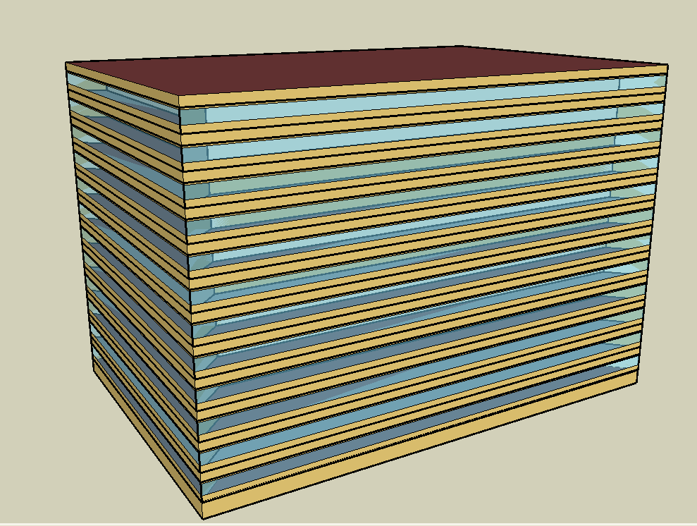
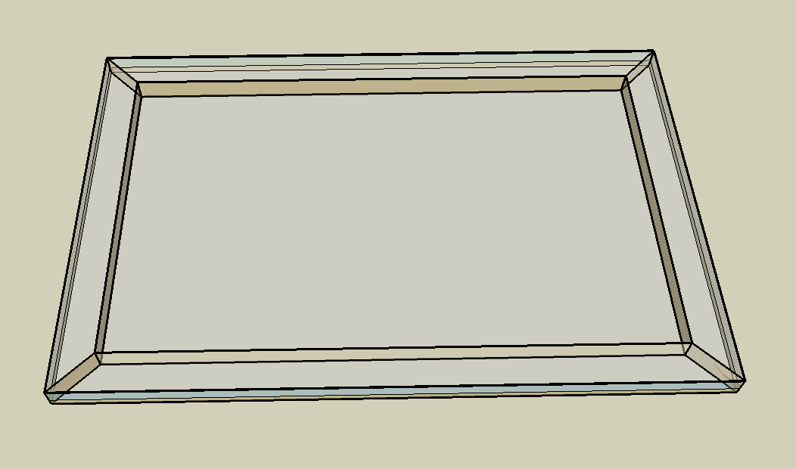
DOE Commercial Building Benchmark - Large Office

Electricity
 | Cooling | Interior Lighting | Exterior Lighting | Interior Equipment | Fans | Pumps | Heat Rejection
Miami | 1,684,072.22 | 2,052,722.22 | 13,458.33 | 1,605,172.22 | 214,397.22 | 381,930.56 | 309,052.78
Houston | 1,367,422.22 | 2,052,722.22 | 13,452.78 | 1,605,172.22 | 212,441.67 | 380,000.00 | 290,658.33
Phoenix | 1,054,219.44 | 2,052,722.22 | 13,450.00 | 1,605,172.22 | 257,252.78 | 344,738.89 | 278,777.78
Atlanta | 984,819.44 | 2,052,722.22 | 13,447.22 | 1,605,172.22 | 223,155.56 | 387,538.89 | 269,861.11
Los Angeles | 610,961.11 | 2,052,722.22 | 13,438.89 | 1,605,172.22 | 184,175.00 | 272,705.56 | 226,297.22
Las Vegas | 793,202.78 | 2,052,722.22 | 13,436.11 | 1,605,172.22 | 270,116.67 | 297,502.78 | 231,080.56
San Francisco | 235,991.67 | 2,052,722.22 | 13,441.67 | 1,605,172.22 | 176,366.67 | 187,002.78 | 143,747.22
Baltimore | 845,705.56 | 2,052,722.22 | 13,433.33 | 1,605,172.22 | 229,186.11 | 410,627.78 | 238,244.44
Albuquerque | 446,047.22 | 2,052,722.22 | 13,438.89 | 1,605,172.22 | 263,969.44 | 186,569.44 | 138,072.22
Seattle | 214,936.11 | 2,052,722.22 | 13,413.89 | 1,605,172.22 | 215,605.56 | 153,152.78 | 107,983.33
Chicago | 450,555.56 | 2,052,722.22 | 13,436.11 | 1,605,172.22 | 215,797.22 | 195,780.56 | 121,441.67
Boulder | 268,966.67 | 2,052,722.22 | 13,427.78 | 1,605,172.22 | 212,827.78 | 133,088.89 | 90,233.33
Minneapolis | 378,369.44 | 2,052,722.22 | 13,427.78 | 1,605,172.22 | 208,627.78 | 174,186.11 | 107,016.67
Helena | 187,622.22 | 2,052,722.22 | 13,425.00 | 1,605,172.22 | 211,272.22 | 116,061.11 | 72,455.56
Duluth | 176,669.44 | 2,052,722.22 | 13,416.67 | 1,605,172.22 | 205,427.78 | 116,433.33 | 62,497.22
Fairbanks | 95,158.33 | 2,052,722.22 | 13,333.33 | 1,605,172.22 | 219,588.89 | 101,008.33 | 43,194.44

Gas
 | Heating | Water Systems
Miami | 688,690.00 | 172,420.00
Houston | 3,460,310.00 | 206,320.00
Phoenix | 2,595,290.00 | 186,720.00
Atlanta | 6,344,320.00 | 239,030.00
Los Angeles | 2,385,740.00 | 232,770.00
Las Vegas | 4,223,400.00 | 210,250.00
San Francisco | 4,872,050.00 | 260,770.00
Baltimore | 10,228,300.00 | 264,760.00
Albuquerque | 6,233,250.00 | 259,880.00
Seattle | 10,767,690.00 | 278,220.00
Chicago | 11,356,500.00 | 287,360.00
Boulder | 7,182,260.00 | 286,180.00
Minneapolis | 13,847,160.00 | 306,880.00
Helena | 10,891,740.00 | 310,420.00
Duluth | 16,715,480.00 | 339,080.00
Fairbanks | 28,029,560.00 | 377,970.00

EUI
 | Cooling (elec) | Interior Lighting (elec) | Exterior Lighting (elec) | Interior Equipment (elec) | Fans (elec) | Pumps (elec) | Heat Rejection (elec) | Heating (gas) | Water Systems (gas)
Miami | 130.89 | 159.54 | 1.05 | 124.75 | 16.66 | 29.68 | 24.02 | 14.87 | 3.72
Houston | 106.28 | 159.54 | 1.05 | 124.75 | 16.51 | 29.53 | 22.59 | 74.70 | 4.45
Phoenix | 81.93 | 159.54 | 1.05 | 124.75 | 19.99 | 26.79 | 21.67 | 56.03 | 4.03
Atlanta | 76.54 | 159.54 | 1.05 | 124.75 | 17.34 | 30.12 | 20.97 | 136.97 | 5.16
Los Angeles | 47.48 | 159.54 | 1.04 | 124.75 | 14.31 | 21.19 | 17.59 | 51.51 | 5.03
Las Vegas | 61.65 | 159.54 | 1.04 | 124.75 | 20.99 | 23.12 | 17.96 | 91.18 | 4.54
San Francisco | 18.34 | 159.54 | 1.04 | 124.75 | 13.71 | 14.53 | 11.17 | 105.18 | 5.63
Baltimore | 65.73 | 159.54 | 1.04 | 124.75 | 17.81 | 31.91 | 18.52 | 220.82 | 5.72
Albuquerque | 34.67 | 159.54 | 1.04 | 124.75 | 20.52 | 14.50 | 10.73 | 134.57 | 5.61
Seattle | 16.70 | 159.54 | 1.04 | 124.75 | 16.76 | 11.90 | 8.39 | 232.46 | 6.01
Chicago | 35.02 | 159.54 | 1.04 | 124.75 | 16.77 | 15.22 | 9.44 | 245.17 | 6.20
Boulder | 20.90 | 159.54 | 1.04 | 124.75 | 16.54 | 10.34 | 7.01 | 155.06 | 6.18
Minneapolis | 29.41 | 159.54 | 1.04 | 124.75 | 16.21 | 13.54 | 8.32 | 298.94 | 6.63
Helena | 14.58 | 159.54 | 1.04 | 124.75 | 16.42 | 9.02 | 5.63 | 235.14 | 6.70
Duluth | 13.73 | 159.54 | 1.04 | 124.75 | 15.97 | 9.05 | 4.86 | 360.87 | 7.32
Fairbanks | 7.40 | 159.54 | 1.04 | 124.75 | 17.07 | 7.85 | 3.36 | 605.12 | 8.16

Water
 | Total Building | Water for Electricity (m3)
Miami | 27,391.81 | 3,595.58
Houston | 23,276.72 | 10,492.10
Phoenix | 35,295.12 | 182,169.00
Atlanta | 19,963.28 | 37,855.70
Los Angeles | 13,775.95 | 96,425.10
Las Vegas | 30,966.41 | 158,833.00
San Francisco | 7,677.44 | 86,750.30
Baltimore | 17,790.59 | 1,344.40
Albuquerque | 16,420.19 | 23,759.30
Seattle | 7,006.32 | 49,954.00
Chicago | 10,380.29 | 8,038.50
Boulder | 10,617.86 | 22,262.90
Minneapolis | 8,933.53 | 7,859.49
Helena | 7,818.02 | 303,111.00
Duluth | 5,270.36 | 7,382.91
Fairbanks | 4,131.45 | 4,757.54

Carbon
 | Carbon Equivalent (kg)
Miami | 1,876,920.00
Houston | 2,217,010.00
Phoenix | 1,901,490.00
Atlanta | 1,986,380.00
Los Angeles | 689,031.61
Las Vegas | 2,032,650.00
San Francisco | 669,975.77
Baltimore | 1,787,170.00
Albuquerque | 2,254,510.00
Seattle | 555,302.36
Chicago | 2,972,380.00
Boulder | 2,137,480.00
Minneapolis | 1,989,270.00
Helena | 1,950,680.00
Duluth | 1,936,430.00
Fairbanks | 1,822,570.00

LghtSch
Lighting Schedules
 | WD | Sat | Sun, Hol, Other
 | 0.05 | 0.05 | 0.05
 | 0.05 | 0.05 | 0.05
 | 0.05 | 0.05 | 0.05
 | 0.05 | 0.05 | 0.05
 | 0.05 | 0.05 | 0.05
 | 0.1 | 0.05 | 0.05
 | 0.1 | 0.1 | 0.05
 | 0.3 | 0.1 | 0.05
 | 0.9 | 0.3 | 0.05
 | 0.9 | 0.3 | 0.05
 | 0.9 | 0.3 | 0.05
 | 0.9 | 0.3 | 0.05
 | 0.9 | 0.15 | 0.05
 | 0.9 | 0.15 | 0.05
 | 0.9 | 0.15 | 0.05
 | 0.9 | 0.15 | 0.05
 | 0.9 | 0.15 | 0.05
 | 0.5 | 0.05 | 0.05
 | 0.3 | 0.05 | 0.05
 | 0.3 | 0.05 | 0.05
 | 0.2 | 0.05 | 0.05
 | 0.2 | 0.05 | 0.05
 | 0.1 | 0.05 | 0.05
 | 0.05 | 0.05 | 0.05

OccSch
Occupancy Schedules
 | WD | SummerDesign | Sun, Hol, Other
 | 0 | 0 | 0
 | 0 | 0 | 0
 | 0 | 0 | 0
 | 0 | 0 | 0
 | 0 | 0 | 0
 | 0 | 0 | 0
 | 0.1 | 1 | 0
 | 0.2 | 1 | 0
 | 0.95 | 1 | 0
 | 0.95 | 1 | 0
 | 0.95 | 1 | 0
 | 0.95 | 1 | 0
 | 0.5 | 1 | 0
 | 0.95 | 1 | 0
 | 0.95 | 1 | 0
 | 0.95 | 1 | 0
 | 0.95 | 1 | 0
 | 0.3 | 1 | 0
 | 0.1 | 1 | 0
 | 0.1 | 1 | 0
 | 0.05 | 1 | 0
 | 0.05 | 1 | 0
 | 0.05 | 0.05 | 0
 | 0.05 | 0.05 | 0

EqpSch
Equipment Schedules
 | WD | Sat | Sun, Hol, Other
 | 0.4 | 0.3 | 0.3
 | 0.4 | 0.3 | 0.3
 | 0.4 | 0.3 | 0.3
 | 0.4 | 0.3 | 0.3
 | 0.4 | 0.3 | 0.3
 | 0.4 | 0.3 | 0.3
 | 0.4 | 0.4 | 0.3
 | 0.4 | 0.4 | 0.3
 | 0.9 | 0.5 | 0.3
 | 0.9 | 0.5 | 0.3
 | 0.9 | 0.5 | 0.3
 | 0.9 | 0.5 | 0.3
 | 0.8 | 0.35 | 0.3
 | 0.9 | 0.35 | 0.3
 | 0.9 | 0.35 | 0.3
 | 0.9 | 0.35 | 0.3
 | 0.9 | 0.35 | 0.3
 | 0.5 | 0.3 | 0.3
 | 0.4 | 0.3 | 0.3
 | 0.4 | 0.3 | 0.3
 | 0.4 | 0.3 | 0.3
 | 0.4 | 0.3 | 0.3
 | 0.4 | 0.3 | 0.3
 | 0.4 | 0.3 | 0.3

HeatSch
Heating Set Point Schedules
 | SummerDesign | Sat | Sun, Hol, Other
 | 15.6 | 15.6 | 15.6
 | 15.6 | 15.6 | 15.6
 | 15.6 | 15.6 | 15.6
 | 15.6 | 15.6 | 15.6
 | 15.6 | 15.6 | 15.6
 | 15.6 | 15.6 | 15.6
 | 15.6 | 21 | 15.6
 | 15.6 | 21 | 15.6
 | 15.6 | 21 | 15.6
 | 15.6 | 21 | 15.6
 | 15.6 | 21 | 15.6
 | 15.6 | 21 | 15.6
 | 15.6 | 21 | 15.6
 | 15.6 | 21 | 15.6
 | 15.6 | 21 | 15.6
 | 15.6 | 21 | 15.6
 | 15.6 | 21 | 15.6
 | 15.6 | 15.6 | 15.6
 | 15.6 | 15.6 | 15.6
 | 15.6 | 15.6 | 15.6
 | 15.6 | 15.6 | 15.6
 | 15.6 | 15.6 | 15.6
 | 15.6 | 15.6 | 15.6
 | 15.6 | 15.6 | 15.6

CoolSch
Cooling Set Point Schedules
 | WD, SummerDesign | Sat | Sun, Hol, Other
 | 30 | 30 | 30
 | 30 | 30 | 30
 | 30 | 30 | 30
 | 30 | 30 | 30
 | 30 | 30 | 30
 | 30 | 30 | 30
 | 24 | 24 | 30
 | 24 | 24 | 30
 | 24 | 24 | 30
 | 24 | 24 | 30
 | 24 | 24 | 30
 | 24 | 24 | 30
 | 24 | 24 | 30
 | 24 | 24 | 30
 | 24 | 24 | 30
 | 24 | 24 | 30
 | 24 | 24 | 30
 | 24 | 24 | 30
 | 24 | 30 | 30
 | 24 | 30 | 30
 | 24 | 30 | 30
 | 24 | 30 | 30
 | 30 | 30 | 30
 | 30 | 30 | 30

